Sheet1
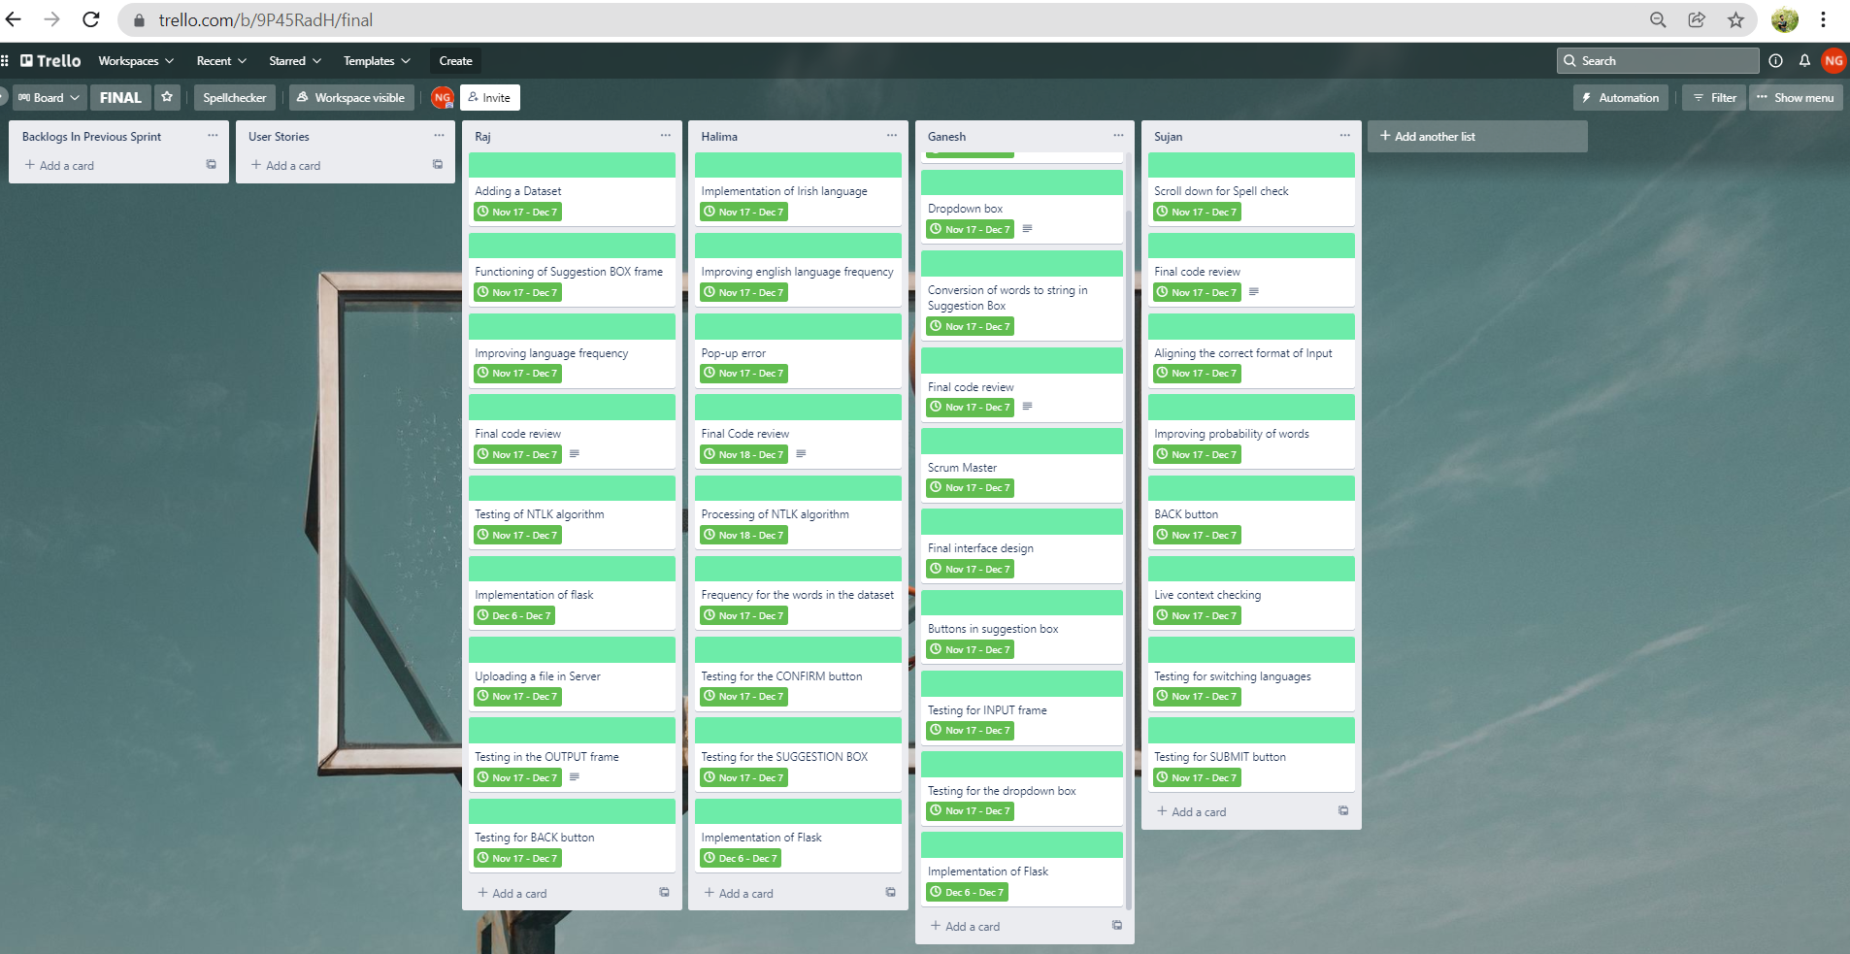
SUJAN | HALIMA | RAJ | GANESH
Scroll down for Spell Checker | Processing of NTLK algorithm | Testing for NTLK algorithm | Scrum Master
BACK button | Frequency of words | Uploading a file on server | Final interface design
Live Context checking | Testing for CONFIRM button | Testing in OUTPUT frame | Buttons in Suggestion Box
Testing for switching the languages | Implementation of IRISH language | Testing for BACK button | Scrolldown for Interface
Testing for SUBMIT button | Testing for Suggestion Box | Adding the dataset | Testing for INPUT frame
Aligning the correct format of Input | Improving the frequency of ENGLISH language | Functionality of SUGGESTION box | Testing for Dropdown box
Improving probability of words | Pop-up error | Improving IRISH language frequency | Dropdown box for selecting languages
Implementation of Flask | Implementation of Flask | Implementation of Flask | Conversion of words to string in SUGGESTION box
Final code Review | Final code Review | Final code Review | Final Code review

